Sheet1


M/S SEM Engineers |  |  |  |  |  |  |  | 2023-10-20
Project: UEP 17th Floor Dolmen Kar.
Variation Order No 1

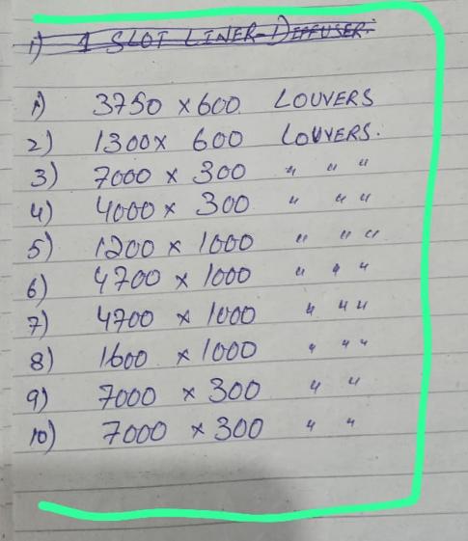
 |  |  |  |  |  |  |  |  | 3175000
 |  |  |  |  |  |  |  |  | 3746500

Attn: Mr. xxxxx

Variation order for Air Devices for the project UEP 17th Floor DMC Karachi

S. # | Description | Material Rate | Labour Rate | OPT 25% | Total Rates | Unit | Qty | Amount
1 | Supply and installation of Louvers |  |  |  |  |  |  | -
i | 3750 x 600 |  |  | - | - | No | 1 | -
ii | 1300 x 600 |  |  |  |  | No | 1
iii | 7000 x 300 |  |  |  |  | No | 1
iv | 4000 x 300 |  |  |  |  | No | 1
v | 1200 x 1000 |  |  |  |  | No | 1
vi | 4700 x 1000 |  |  |  |  | No | 1
vii | 4700 x 1000 |  |  |  |  | No | 1
viii | 1600 x 1000 |  |  |  |  | No | 1
ix | 7000 x 300 |  |  |  |  | No | 1
x | 7000 x 300 |  |  |  |  | No | 1
Total Amount Rs. |  |  |  |  |  |  |  | -

Note: Please add Your margin on above variation.

For PIONEER ENGINEERING SERVICES.

